Legal Accounting Ledger
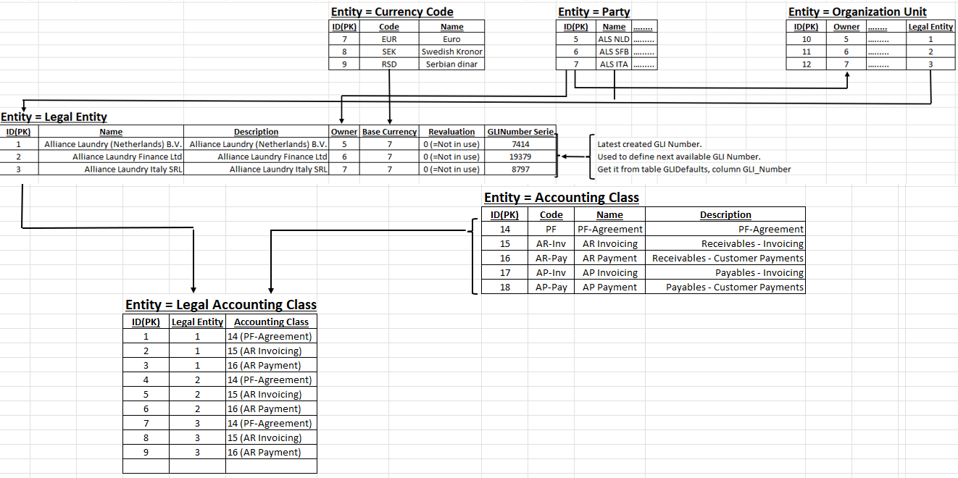

 |  |  |  | Entity = Accounting Ledger
 |  |  |  | ID(PK) | Code | Name | Description
 |  |  |  | 1 | 0 | LL | LL (Local Legal)
 |  |  |  | 2 | 1 | US | US (US GAAP)
 |  |  |  | 3 | 2 | CO | Common

Entity = Legal Accounting Ledger
ID(PK) | Legal Accounting Class | Accounting Ledger
1 | 1 | 1 | ALS NLD - PF Agreement - Local Legal
2 | 1 | 2 | ALS NLD - PF Agreement - US GAAP
3 | 2 | 1 | ALS NLD - AR Invoicing - Local Legal
4 | 3 | 1 | ALS NLD - AR Payment - Local Legal
5 | 4 | 1 | ALS SFB - PF Agreement - Local Legal
6 | 4 | 2 | ALS SFB - PF Agreement - US GAAP
7 | 5 | 1 | ALS SFB - AR Invoicing - Local Legal
8 | 6 | 1 | ALS SFB - AR Payment - Local Legal
9 | 7 | 1 | ALS ITA - PF Agreement - Local Legal
10 | 7 | 2 | ALS ITA - PF Agreement - US GAAP
11 | 8 | 1 | ALS ITA - AR Invoicing - Local Legal
12 | 8 | 2 | ALS ITA - AR Invoicing - US GAAP
13 | 9 | 1 | ALS ITA - AR Payment - Local Legal
14 | 9 | 2 | ALS ITA - AR Payment - US GAAP

Accounting Rule
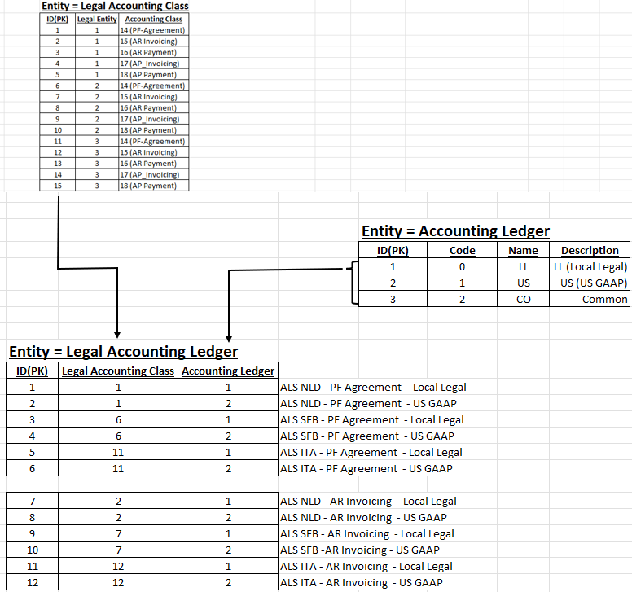
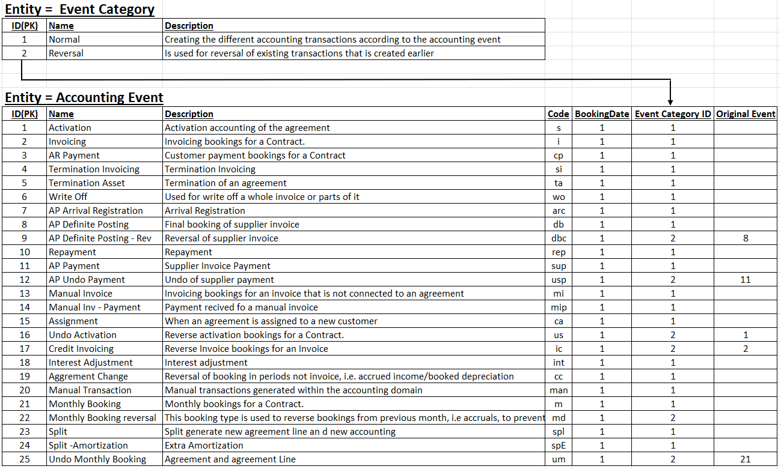

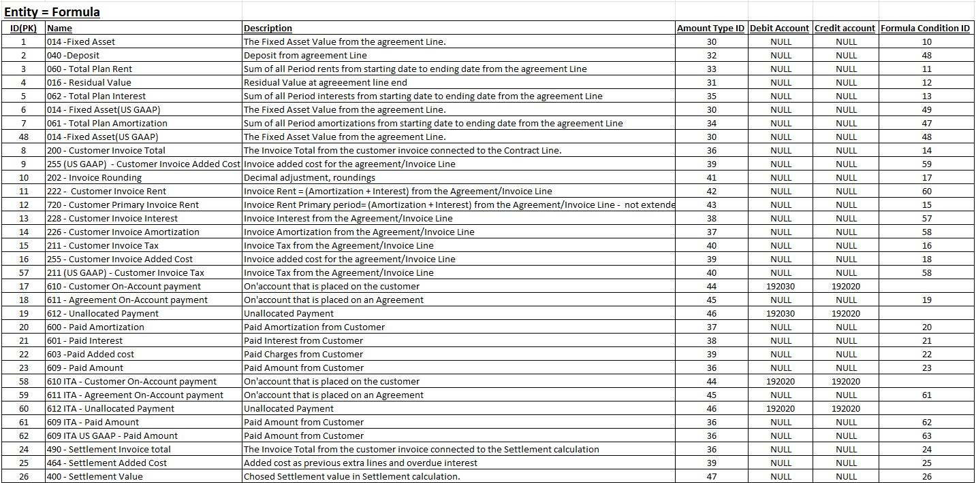
 | Entity = Accounting Rule
 | ID(PK) | Legal Accounting Ledger | Accounting Event | Formula | Debit/Credit
ALS NLD | 1 | 1 (PF Agreement - Local Legal) | 1 (Activation) | 1 | C
ALS NLD | 2 | 1 (PF Agreement - Local Legal) | 1 (Activation) | 3 | D
ALS NLD | 3 | 1 (PF Agreement - Local Legal) | 1 (Activation) | 4 | D
ALS NLD | 4 | 1 (PF Agreement - Local Legal) | 1 (Activation) | 5 | C
ALS NLD | 5 | 3 (AR Invoicing - Local Legal) | 2 (Invoicing) | 8 | D
ALS NLD | 6 | 3 (AR Invoicing - Local Legal) | 2 (Invoicing) | 16 | C
ALS NLD | 7 | 3 (AR Invoicing - Local Legal) | 2 (Invoicing) | 10 | C
ALS NLD | 8 | 3 (AR Invoicing - Local Legal) | 2 (Invoicing) | 12 | C
ALS NLD | 14 | 3 (AR Invoicing - Local Legal) | 2 (Invoicing) | 15 | C
ALS NLD | 15 | 4 (AR Payment - Local Legal) | 3 (AR Payment) | 17 | C
ALS NLD | 16 | 4 (AR Payment - Local Legal) | 3 (AR Payment) | 17 | D
ALS NLD | 17 | 4 (AR Payment - Local Legal) | 3 (AR Payment) | 18 | C
ALS NLD | 18 | 4 (AR Payment - Local Legal) | 3 (AR Payment) | 18 | D
ALS NLD | 19 | 4 (AR Payment - Local Legal) | 3 (AR Payment) | 19 | C
ALS NLD | 20 | 4 (AR Payment - Local Legal) | 3 (AR Payment) | 19 | D
ALS NLD | 21 | 4 (AR Payment - Local Legal) | 3 (AR Payment) | 20 | D
ALS NLD | 22 | 4 (AR Payment - Local Legal) | 3 (AR Payment) | 21 | C
ALS NLD | 23 | 4 (AR Payment - Local Legal) | 3 (AR Payment) | 23 | C
ALS NLD | 24 | 4 (AR Payment - Local Legal) | 3 (AR Payment) | 22 | C
ALS NLD | 25 | 3 (AR Invoicing - Local Legal) | 4 (Settlement Invoicing) | 24 | D
ALS NLD | 26 | 3 (AR Invoicing - Local Legal) | 4 (Settlement Invoicing) | 25 | C
ALS NLD | 27 | 3 (AR Invoicing - Local Legal) | 4 (Settlement Invoicing) | 26 | C
ALS NLD | 28 | 3 (AR Invoicing - Local Legal) | 4 (Settlement Invoicing) | 27 | C
ALS NLD | 29 | 3 (AR Invoicing - Local Legal) | 4 (Settlement Invoicing) | 28 | C
ALS NLD | 30 | 1 (PF Agreement - Local Legal) | 5 (Termination) | 29 | C
ALS NLD | 31 | 1 (PF Agreement - Local Legal) | 5 (Termination) | 30 | D
ALS NLD | 32 | 1 (PF Agreement - Local Legal) | 5 (Termination) | 31 | D
ALS NLD | 33 | 1 (PF Agreement - Local Legal) | 5 (Termination) | 31 | C
ALS NLD | 34 | 1 (PF Agreement - Local Legal) | 5 (Termination) | 36 | D
ALS NLD | 35 | 1 (PF Agreement - Local Legal) | 5 (Termination) | 32 | D
ALS NLD | 36 | 1 (PF Agreement - Local Legal) | 5 (Termination) | 33 | C
ALS NLD | 37 | 1 (PF Agreement - Local Legal) | 5 (Termination) | 34 | C
ALS NLD | 38 | 1 (PF Agreement - Local Legal) | 5 (Termination) | 35 | D
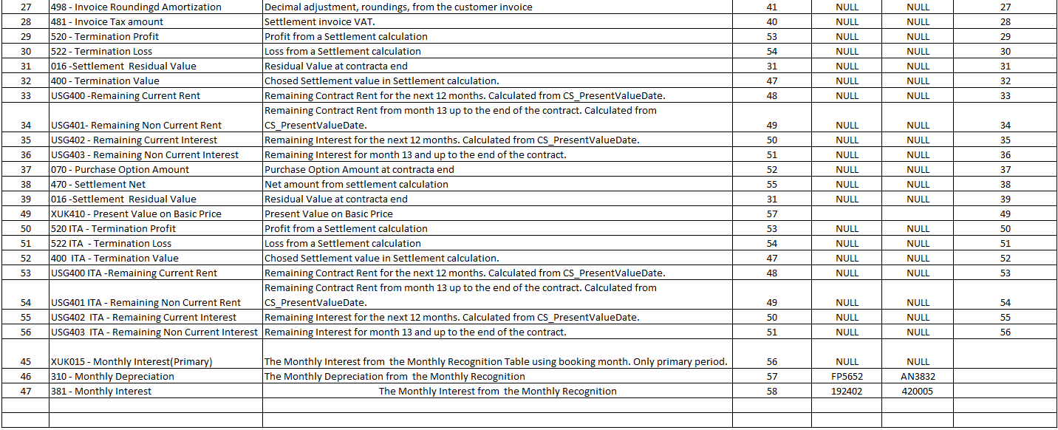
ALS NLD | 39 | 1 (PF Agreement - Local Legal) | 5 (Termination) | 37 | C
ALS NLD | 40 | 1 (PF Agreement - Local Legal) | 5 (Termination) | 37 | D
ALS NLD | 41 | 1 (PF Agreement - Local Legal) | 5 (Termination) | 38 | D
ALS NLD | 42 | 2 (PF Agreement - US GAAP) | 5 (Termination) | 31 | C
ALS NLD | 43 | 2 (PF Agreement - US GAAP) | 5 (Termination) | 31 | D
ALS NLD | 44 | 2 (PF Agreement - US GAAP) | 5 (Termination) | 32 | D
ALS NLD | 45 | 2 (PF Agreement - US GAAP) | 5 (Termination) | 33 | C
ALS NLD | 46 | 2 (PF Agreement - US GAAP) | 5 (Termination) | 34 | C
ALS NLD | 47 | 2 (PF Agreement - US GAAP) | 5 (Termination) | 35 | D
ALS NLD | 48 | 2 (PF Agreement - US GAAP) | 5 (Termination) | 36 | D
ALS NLD | 49 | 1 (PF Agreement - Local Legal) | 21 (Monthly Booking) | 45 | D
ALS NLD | 50 | 1 (PF Agreement - Local Legal) | 21 (Monthly Booking) | 45 | C
ALS SFB |  | 5 (PF Agreement - Local Legal) | 1 (Activation) | 1 | C
ALS SFB |  | 5 (PF Agreement - Local Legal) | 1 (Activation) | 3 | D
ALS SFB |  | 5 (PF Agreement - Local Legal) | 1 (Activation) | 4 | D
ALS SFB |  | 5 (PF Agreement - Local Legal) | 1 (Activation) | 5 | C
ALS SFB |  | 7 (AR Invoicing - Local Legal) | 2 (Invoicing) | 8 | D
ALS SFB |  | 7 (AR Invoicing - Local Legal) | 2 (Invoicing) | 16 | C
ALS SFB |  | 7 (AR Invoicing - Local Legal) | 2 (Invoicing) | 10 | C
ALS SFB |  | 7 (AR Invoicing - Local Legal) | 2 (Invoicing) | 12 | C
ALS SFB |  | 7 (AR Invoicing - Local Legal) | 2 (Invoicing) | 15 | C
ALS SFB |  | 8 (AR Payment - Local Legal) | 3 (AR Payment) | 17 | C
ALS SFB |  | 8 (AR Payment - Local Legal) | 3 (AR Payment) | 17 | D
ALS SFB |  | 8 (AR Payment - Local Legal) | 3 (AR Payment) | 18 | C
ALS SFB |  | 8 (AR Payment - Local Legal) | 3 (AR Payment) | 18 | D
ALS SFB |  | 8 (AR Payment - Local Legal) | 3 (AR Payment) | 19 | C
ALS SFB |  | 8 (AR Payment - Local Legal) | 3 (AR Payment) | 19 | D
ALS SFB |  | 8 (AR Payment - Local Legal) | 3 (AR Payment) | 20 | D
ALS SFB |  | 8 (AR Payment - Local Legal) | 3 (AR Payment) | 21 | C
ALS SFB |  | 8 (AR Payment - Local Legal) | 3 (AR Payment) | 23 | C
ALS SFB |  | 8 (AR Payment - Local Legal) | 3 (AR Payment) | 22 | C
ALS SFB |  | 7 (AR Invoicing - Local Legal) | 4 (Settlement Invoicing) | 24 | D
ALS SFB |  | 7 (AR Invoicing - Local Legal) | 4 (Settlement Invoicing) | 25 | C
ALS SFB |  | 7 (AR Invoicing - Local Legal) | 4 (Settlement Invoicing) | 26 | C
ALS SFB |  | 7 (AR Invoicing - Local Legal) | 4 (Settlement Invoicing) | 27 | C
ALS SFB |  | 7 (AR Invoicing - Local Legal) | 4 (Settlement Invoicing) | 28 | C
ALS SFB |  | 5 (PF Agreement - Local Legal) | 5 (Termination) | 29 | C
ALS SFB |  | 5 (PF Agreement - Local Legal) | 5 (Termination) | 30 | D
ALS SFB |  | 5 (PF Agreement - Local Legal) | 5 (Termination) | 31 | D
ALS SFB |  | 5 (PF Agreement - Local Legal) | 5 (Termination) | 31 | C
ALS SFB |  | 5 (PF Agreement - Local Legal) | 5 (Termination) | 32 | D
ALS SFB |  | 5 (PF Agreement - Local Legal) | 5 (Termination) | 33 | C
ALS SFB |  | 5 (PF Agreement - Local Legal) | 5 (Termination) | 34 | C
ALS SFB |  | 5 (PF Agreement - Local Legal) | 5 (Termination) | 35 | D
ALS SFB |  | 5 (PF Agreement - Local Legal) | 5 (Termination) | 36 | D
ALS SFB |  | 5 (PF Agreement - Local Legal) | 5 (Termination) | 37 | C
ALS SFB |  | 5 (PF Agreement - Local Legal) | 5 (Termination) | 37 | D
ALS SFB |  | 5 (PF Agreement - Local Legal) | 5 (Termination) | 38 | D
ALS SFB |  | 6 (PF Agreement - US GAAP) | 5 (Termination) | 31 | C
ALS SFB |  | 6 (PF Agreement - US GAAP) | 5 (Termination) | 31 | D
ALS SFB |  | 6 (PF Agreement - US GAAP) | 5 (Termination) | 32 | D
ALS SFB |  | 6 (PF Agreement - US GAAP) | 5 (Termination) | 33 | C
ALS SFB |  | 6 (PF Agreement - US GAAP) | 5 (Termination) | 34 | C
ALS SFB |  | 6 (PF Agreement - US GAAP) | 5 (Termination) | 35 | D
ALS SFB |  | 6 (PF Agreement - US GAAP) | 5 (Termination) | 36 | D
ALS SFB |  | 5 (PF Agreement - Local Legal) | 21 (Monthly Booking) | 45 | D
ALS SFB |  | 5 (PF Agreement - Local Legal) | 21 (Monthly Booking) | 45 | C
ALS ITA |  | 9 (PF Agreement - Local Legal) | 1 (Activation) | 1 | D
ALS ITA |  | 9 (PF Agreement - Local Legal) | 1 (Activation) | 1 | C
ALS ITA |  | 9 (PF Agreement - Local Legal) | 1 (Activation) | 2 | D
ALS ITA |  | 9 (PF Agreement - Local Legal) | 1 (Activation) | 2 | C
ALS ITA |  | 10 (PF Agreement - US GAAP) | 1 (Activation) | 7 | C
ALS ITA |  | 10 (PF Agreement - US GAAP) | 1 (Activation) | 3 | D
ALS ITA |  | 10 (PF Agreement - US GAAP) | 1 (Activation) | 5 | C
ALS ITA |  | 10 (PF Agreement - US GAAP) | 1 (Activation) | 48 | D
ALS ITA |  | 10 (PF Agreement - US GAAP) | 1 (Activation) | 48 | C
ALS ITA |  | 9 (PF Agreement - Local Legal) | 5 (Termination) | 50 | C
ALS ITA |  | 9 (PF Agreement - Local Legal) | 5 (Termination) | 51 | D
ALS ITA |  | 9 (PF Agreement - Local Legal) | 5 (Termination) | 49 | C
ALS ITA |  | 9 (PF Agreement - Local Legal) | 5 (Termination) | 52 | D
ALS ITA |  | 10 (PF Agreement - US GAAP) | 5 (Termination) | 49 | D
ALS ITA |  | 10 (PF Agreement - US GAAP) | 5 (Termination) | 53 | C
ALS ITA |  | 10 (PF Agreement - US GAAP) | 5 (Termination) | 54 | C
ALS ITA |  | 10 (PF Agreement - US GAAP) | 5 (Termination) | 55 | D
ALS ITA |  | 10 (PF Agreement - US GAAP) | 5 (Termination) | 56 | D
ALS ITA |  | 11 (AR Invoicing - Local Legal) | 2 (Invoicing) | 8 | D
ALS ITA |  | 11 (AR Invoicing - Local Legal) | 2 (Invoicing) | 16 | C
ALS ITA |  | 11 (AR Invoicing - Local Legal) | 2 (Invoicing) | 13 | C
ALS ITA |  | 11 (AR Invoicing - Local Legal) | 2 (Invoicing) | 14 | C
ALS ITA |  | 11 (AR Invoicing - Local Legal) | 2 (Invoicing) | 15 | C
ALS ITA |  | 12 (AR Invoicing - US GAAP) | 2 (Invoicing) | 8 | D
ALS ITA |  | 12 (AR Invoicing - US GAAP) | 2 (Invoicing) | 16 | C
ALS ITA |  | 12 (AR Invoicing - US GAAP) | 2 (Invoicing) | 11 | C
ALS ITA |  | 12 (AR Invoicing - US GAAP) | 2 (Invoicing) | 15 | C
ALS ITA |  | 12 (AR Invoicing - US GAAP) | 4 (Settlement Invoicing) | 24 | D
ALS ITA |  | 12 (AR Invoicing - US GAAP) | 4 (Settlement Invoicing) | 26 | C
ALS ITA |  | 12 (AR Invoicing - US GAAP) | 4 (Settlement Invoicing) | 28 | C
ALS ITA |  | 13 (AR Payment - Local Legal) | 3 (AR Payment) | 17 | C
ALS ITA |  | 13 (AR Payment - Local Legal) | 3 (AR Payment) | 17 | D
ALS ITA |  | 13 (AR Payment - Local Legal) | 3 (AR Payment) | 18 | C
ALS ITA |  | 13 (AR Payment - Local Legal) | 3 (AR Payment) | 18 | D
ALS ITA |  | 13 (AR Payment - Local Legal) | 3 (AR Payment) | 19 | C
ALS ITA |  | 13 (AR Payment - Local Legal) | 3 (AR Payment) | 19 | D
ALS ITA |  | 13 (AR Payment - Local Legal) | 3 (AR Payment) | 23 | C
ALS ITA |  | 13 (AR Payment - Local Legal) | 3 (AR Payment) | 23 | D
ALS ITA |  | 14 (AR Payment - US GAAP) | 3 (AR Payment) | 18 | C
ALS ITA |  | 14 (AR Payment - US GAAP) | 3 (AR Payment) | 18 | D
ALS ITA |  | 14 (AR Payment - US GAAP) | 3 (AR Payment) | 23 | D
ALS ITA |  | 14 (AR Payment - US GAAP) | 3 (AR Payment) | 23 | C
ALS ITA |  | 9 (PF Agreement - Local Legal) | 21 (Monthly Booking) | 46 | C
ALS ITA |  | 9 (PF Agreement - Local Legal) | 21 (Monthly Booking) | 46 | D
ALS ITA |  | 10 (PF Agreement - US GAAP) | 21 (Monthly Booking) | 47 | D
ALS ITA |  | 10 (PF Agreement - US GAAP) | 21 (Monthly Booking) | 47 | C

Conditions
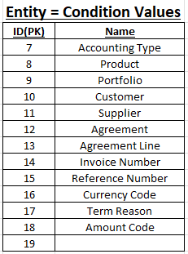
Entity = Formula Condition
ID(PK) | Name
10 | 014 -Fixed Asset | Entity = Condition
11 | 060 - Total Plan Rent | ID(PK) | Formula Condition | Level | Condition Value | Value | Debit Account | Credit account | Operator
12 | 016 - Residual Value | 20 | 10 | 1 | 7 | MG |  | 19 (140000) | OR
13 | 062 - Total Plan Interest | 21 | 10 | 1 | 7 | DL | 8 (4A1544) | 9 (5K2060)
14 | 200 - Invoice Total Amount | 22 | 11 | 1 | 7 | MG | 22 (192101) |  | OR
15 | 720 - Customer Primary Invoice Rent | 23 | 11 | 1 | 7 | DL | 22 (192101)
16 | 211 -Invoice Tax | 24 | 12 | 1 | 7 | MG | 26 (192200)
17 | 202 - Invoice Rounding | 25 | 13 | 1 | 7 | MG |  | 27 (192401) | OR
18 | 255 - Invoice Added Cost | 26 | 13 | 1 | 7 | DL |  | 27 (192401)
19 | 611 - Agreement On-Account payment | 27 | 14 | 1 | 7 | MG | 31 (192500) |  | OR
20 | 600 - Paid Amortization | 28 | 14 | 2 | 7 | DL | 10 (63A003)
21 | 601 - Paid Interest | 29 | 15 | 1 | 7 | MG |  | 31 (192500)
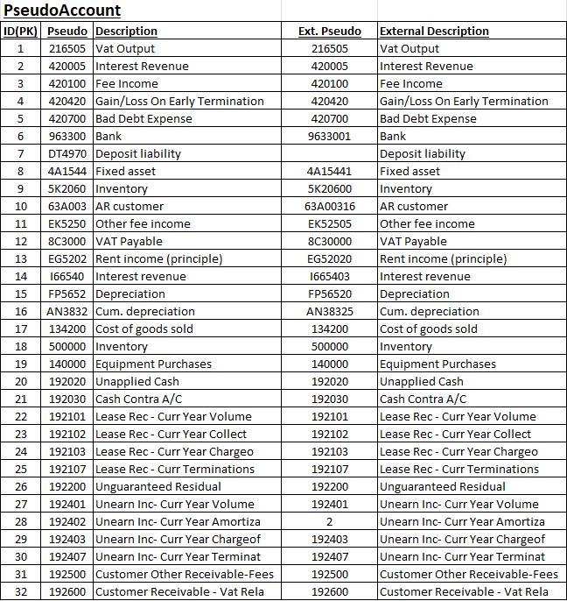
22 | 603 -Paid Added cost | 30 | 16 | 1 | 7 | MG |  | 1 (216505)
23 | 609 - Paid Amount | 31 | 16 | 2 | 7 | DL |  | 12 (8C3000)
24 | 490 - Settlement Invoice total | 32 | 17 | 1 | 7 | MG |  | 3 (420100)
25 | 464 - Settlement Added Cost | 33 | 18 | 1 | 7 | MG |  | 3 (420100) | OR
26 | 400 - Settlement Value | 34 | 18 | 2 | 7 | DL |  | 11 (EK5250)
27 | 498 - Invoice Rounding | 35 | 19 | 1 | 7 | MG | 21 (192030) | 20 (192020)
28 | 481 - Invoice Tax amount | 36 | 20 | 1 | 7 | MG |  | 23 (192102)
29 | 520 - Termination Profit | 37 | 21 | 1 | 7 | MG |  | 23 (192102)
30 | 522 - Termination Loss | 38 | 22 | 1 | 7 | MG |  |  | And
31 | 016 -Settlement Residual Value | 39 | 22 | 2 | 18 | 907 |  | 3 (420100) | OR
32 | 400 - Termination Value | 40 | 22 | 3 | 18 | 906 |  | 31 (192500)
33 | USG400 -Remaining Current Rent | 41 | 23 | 1 | 7 | MG | 21 (192030)
34 | USG401- Remaining Non Current Rent | 42 | 24 | 1 | 7 | MG | 31 (192500) |  | OR
35 | USG402 - Remaining Current Interest | 43 | 24 | 2 | 7 | DL | 32 (192600)
36 | USG403 - Remaining Non Current Interest | 44 | 25 | 1 | 7 | MG |  | 3 (420100)
37 | 070 - Purchase Option Amount | 45 | 26 | 1 | 7 | MG |  | 31 (192500) | OR
38 | 470 - Settlement Net | 46 | 26 | 2 | 7 | DL |  | 26 (192200)
39 | 016 -Settlement Residual Value | 47 | 27 | 1 | 7 | MG |  | 3 (420100)
40 | 400 - Termination Value | 48 | 28 | 1 | 7 | MG |  | 1 (216505) | OR
45 | XUK015 - Monthly Interest(Primary) | 49 | 28 | 2 | 7 | DL |  | 1 (216505)
46 | 040 -Deposit | 50 | 29 | 1 | 7 | MG |  |  | And
47 | 061 - Total Plan Amortization | 51 | 29 | 2 | 17 | 911 |  | 24 (192103) | OR
48 | 014 - Fixed Asset(US GAAP) | 52 | 29 | 3 | 17 | el2 |  | 4 (420420)
49 | XUK410 - Present Value on Basic Price | 53 | 29 | 1 | 7 | DL |  |  | AND
50 | 520 ITA - Termination Profit | 54 | 29 | 2 | 17 | el2 |  | 23 (192102)
51 | 522 ITA - Termination Loss | 55 | 30 | 1 | 7 | MG |  |  | AND
52 | 400 ITA - Termination Value | 56 | 30 | 2 | 17 | 911 | 29 (192403) |  | OR
53 | USG400 ITA -Remaining Current Rent | 57 | 30 | 3 | 17 | el2 | 4 (420420) |  | OR
54 | USG401 ITA - Remaining Non Current Rent | 58 | 30 | 4 | 17 | 111 | 5 (420700) |  | OR
55 | USG402 ITA - Remaining Current Interest | 59 | 30 | 5 | 17 | st9 | 5 (420700)
56 | USG403 ITA - Remaining Non Current Interest | 60 | 30 | 1 | 7 | DL |  |  | AND
57 | 228 - Customer Invoice Interest | 61 | 30 | 2 | 17 | el2 | 23 (192102)
58 | 211 (US GAAP) - Customer Invoice Tax | 62 | 31 | 1 | 7 | MG |  |  | AND
59 | 255 (US GAAP) - Customer Invoice Added Cost | 63 | 31 | 2 | 17 | el2 | 25 (192107) | 26 (192200) | OR
60 | 222 - Customer Invoice Rent | 64 | 31 | 3 | 17 | 111 | 24 (192103) | 26 (192200) | OR
61 | 611 ITA - Agreement On-Account payment | 65 | 31 | 4 | 17 | 911 | 29 (192403) | 26 (192200)
62 | 609 ITA - Paid Amount | 66 | 32 | 1 | 7 | MG |  |  | AND
63 | 609 ITA US GAAP - Paid Amount | 67 | 32 | 2 | 17 | el2 | 23 (192102) |  | OR
 |  | 68 | 32 | 3 | 17 | 911 | 5 (420700)
 |  | 69 | 32 | 1 | 7 | DL |  |  | AND
 |  | 70 | 32 | 2 | 17 | el2 | 21 (192030)
 |  | 71 | 33 | 1 | 7 | MG |  |  | AND
 |  | 72 | 33 | 2 | 17 | el2 |  | 25 (192107) | OR
 |  | 73 | 33 | 3 | 17 | 111 |  | 24 (192103) | OR
 |  | 74 | 33 | 4 | 17 | 911 |  | 24 (192103) | OR
 |  | 75 | 33 | 5 | 17 | st9 |  | 24 (192103)
 |  | 76 | 33 | 1 | 7 | DL |  |  | AND
 |  | 77 | 33 | 2 | 17 | el2 |  | 25 (192107) | OR
 |  | 78 | 33 | 3 | 17 | 911 | 5 (420700) | 24 (192103)
 |  | 79 | 34 | 1 | 7 | MG |  |  | AND
 |  | 80 | 34 | 2 | 17 | el2 |  | 25 (192107) | OR
 |  | 81 | 34 | 3 | 17 | 111 |  | 24 (192103) | OR
 |  | 82 | 34 | 4 | 17 | 911 |  | 24 (192103)
 |  | 83 | 34 | 5 | 17 | st9 |  | 24 (192103) | AND
 |  | 84 | 34 | 1 | 7 | DL |  |  | AND
 |  | 85 | 34 | 2 | 17 | el2 |  | 25 (192107) | OR
 |  | 86 | 24 | 3 | 17 | 911 |  | 24 (192103)
 |  | 87 | 35 | 1 | 7 | MG |  |  | AND
 |  | 88 | 35 | 2 | 17 | el2 | 30 (192407) |  | OR
 |  | 89 | 35 | 3 | 17 | 111 | 29 (192403) |  | OR
 |  | 90 | 35 | 4 | 17 | 911 | 29 (192403) |  | OR
 |  | 91 | 35 | 5 | 17 | st9 | 29 (192403)
 |  | 92 | 35 | 1 | 7 | DL |  |  | AND
 |  | 93 | 35 | 2 | 17 | el2 | 30 (192407)
 |  | 94 | 35 | 3 | 17 | 911 | 29 (192403) |  | AND
 |  | 95 | 36 | 1 | 7 | MG |  |  | AND
 |  | 96 | 36 | 2 | 17 | el2 | 30 (192407) |  | OR
 |  | 97 | 36 | 3 | 17 | 111 | 29 (192403) |  | OR
 |  | 98 | 26 | 4 | 17 | 911 | 29 (192403) |  | OR
 |  | 99 | 36 | 5 | 17 | st9 | 29 (192403)
 |  | 100 | 36 | 1 | 7 | DL |  |  | AND
 |  | 101 | 36 | 2 | 17 | el2 | 30 (192407) |  | OR
 |  | 102 | 36 | 3 | 17 | 911 | 29 (192403)
 |  | 103 | 37 | 1 | 7 | MG |  |  | AND
 |  | 104 | 37 | 2 | 17 | el2 | 4 (420420) | 26 (192200) | OR
 |  | 105 | 37 | 3 | 17 | 911 | 29 (192403) | 26 (192200) | OR
 |  | 106 | 37 | 4 | 17 | st9 | 5 (420700) | 26 (192200)
 |  | 107 | 38 | 1 | 7 | MG |  |  | AND
 |  | 108 | 38 | 2 | 17 | 111 | 21 (192030) |  | OR
 |  | 109 | 38 | 3 | 17 | st9 | 21 (192030)
 |  | 110 | 39 | 1 | 7 | MG |  |  | AND
 |  | 111 | 39 | 2 | 17 | 911 | 29 (192403) | 26 (192200)
 |  | 112 | 25 | 1 | 7 | MG | 28 (192402) | 2 (420005)
 |  | 113 | 46 | 1 | 7 | DL | 8 (4A1544) | 9 (5K2060)
 |  | 114 | 47 | 1 | 7 | DL |  | 19 (140000)
 |  | 115 | 48 | 1 | 7 | DL | 6 (963300) | 7 (DT4970)
 |  | 116 | 49 | 1 | 7 | DL |  |  | AND
 |  | 117 | 49 | 2 | 17 | 911 | 21 (192030) | 21 (192030) | OR
 |  | 118 | 49 | 3 | 17 | el2 | 21 (192030) | 21 (192030)
 |  | 119 | 49 | 1 | 7 | MG |  |  | And
 |  | 120 | 49 | 2 | 17 | st2 | 5 (420700)
 |  | 121 | 50 | 1 | 7 | DL |  |  | And
 |  | 122 | 50 | 2 | 17 | 911 |  | 23 (192102) | OR
 |  | 123 | 50 | 3 | 17 | el2 |  | 23 (192102)
 |  | 124 | 51 | 1 | 7 | DL |  |  | And
 |  | 125 | 51 | 2 | 17 | 911 | 23 (192102) |  | OR
 |  | 126 | 51 | 3 | 17 | el2 | 23 (192102)
 |  | 127 | 52 | 1 | 7 | DL |  |  | And
 |  | 128 | 52 | 2 | 17 | 911 | 21 (192030) |  | OR
 |  | 129 | 52 | 3 | 17 | el2 | 21 (192030)
 |  | 130 | 53 | 1 | 7 | DL |  |  | AND
 |  | 131 | 53 | 2 | 17 | 911 |  | 25 (192107) | OR
 |  | 132 | 53 | 3 | 17 | el2 |  | 25 (192107)
 |  | 133 | 54 | 1 | 7 | DL |  |  | AND
 |  | 134 | 54 | 2 | 17 | 911 |  | 25 (192107) | OR
 |  | 135 | 54 | 3 | 17 | el2 |  | 25 (192107)
 |  | 136 | 55 | 1 | 7 | DL |  |  | AND
 |  | 137 | 55 | 2 | 17 | 911 | 30 (192407) | 25 (192107) | OR
 |  | 138 | 55 | 3 | 17 | el2 | 30 (192407) | 25 (192107)
 |  | 139 | 56 | 1 | 7 | DL |  |  | AND
 |  | 140 | 56 | 2 | 17 | 911 | 30 (192407) |  | OR
 |  | 141 | 56 | 3 | 17 | el2 | 30 (192407)
 |  | 142 | 57 | 1 | 7 | DL |  | 14 (166540)
 |  | 143 | 58 | 1 | 7 | DL |  | 13 (EG5202)
 |  | 144 | 59 | 1 | 7 | DL |  | 3 (420100)
 |  | 145 | 60 | 1 | 7 | DL |  | 23 (192102)
 |  | 146 | 61 | 1 | 7 | DL | 20 (192020) | 20 (192020)
 |  | 147 | 62 | 1 | 7 | DL | 6 (963300) | 10 (63A003)
 |  | 148 | 63 | 1 | 7 | DL | 21 (192030) | 10 (63A003)
 |  | 149
 |  | 150

